BOM
Item | Part Number | Thumbnail | QTY | Stock Number | Description | REV
1 | Bottom_Foot_Standoff | 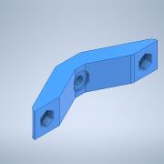 | 1
2 | SpacerBlock_25mm |  | 1
3 | 62805K49_Heavy Duty Leveling Mount | 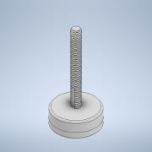 | 2 |  | STEP AP203 | ANY
4 | Bolt M5 40mm | 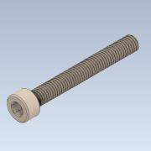 | 1
5 | Nut M6 | 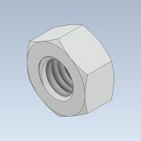 | 2

